Product specs
Iron ore and Copper: product types/specifications
Iron ore product breakdown can be found in our quarterly production report: https://www.riotinto.com/invest/financial-news-performance/production
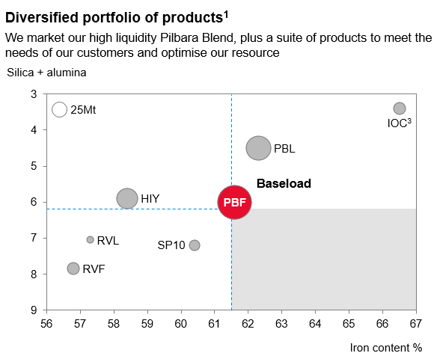
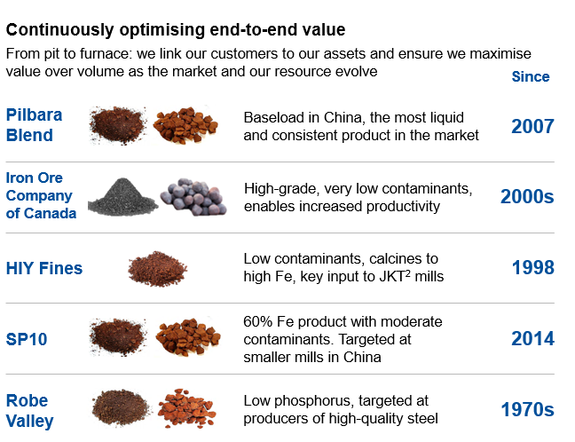

¹ 2019 YTD figures, ² Japan, South Korea, Taiwan, ³ total Iron Ore Company of Canada (IOC) production comprised of pellets and concentrate. Source: Rio Tinto
PBF – Pilbara Blend Fines, PBL – Pilbara Blend Lump, HIY – Yandicoogina Fines, RVF – Robe Valley Fines, RVL – Robe Valley Lump

Rio Tinto operational data

 | Rio Tinto | Q4 | Q1 | Q2 | Q3 | Q4 | Full Year | Full Year
 | interest | 2021 | 2022 | 2022 | 2022 | 2022 | 2021 | 2022

IRON ORE
Rio Tinto Iron Ore
Western Australia
Pilbara Operations
Saleable iron ore production ('000 tonnes)
Hamersley mines | (a) | 55,049 | 47,678 | 52,636 | 56,650 | 61,339 | 210,329 | 218,304
Hope Downs | 50% | 13,133 | 11,660 | 12,771 | 12,529 | 11,891 | 49,284 | 48,850
Robe River - Pannawonica (Mesas J and A) | 53% | 6,031 | 5,234 | 5,762 | 6,679 | 7,882 | 25,497 | 25,558
Robe River - West Angelas | 53% | 9,909 | 7,130 | 7,474 | 8,484 | 8,347 | 34,613 | 31,435
Total production ('000 tonnes) |  | 84,122 | 71,703 | 78,643 | 84,342 | 89,458 | 319,724 | 324,146
Breakdown of total production:
Pilbara Blend and SP10 Lump (b) |  | 24,998 | 20,827 | 23,228 | 25,452 | 25,251 | 92,463 | 94,758
Pilbara Blend and SP10 Fines (b) |  | 38,681 | 31,094 | 36,220 | 38,709 | 41,158 | 144,826 | 147,180
Robe Valley Lump |  | 2,173 | 1,982 | 2,226 | 2,621 | 3,103 | 9,626 | 9,932
Robe Valley Fines |  | 3,857 | 3,252 | 3,536 | 4,058 | 4,779 | 15,871 | 15,625
Yandicoogina Fines (HIY) |  | 14,412 | 14,548 | 13,433 | 13,501 | 15,168 | 56,938 | 56,650
Breakdown of total shipments:
Pilbara Blend Lump |  | 16,616 | 13,626 | 16,043 | 18,860 | 18,153 | 64,697 | 66,682
Pilbara Blend Fines |  | 31,620 | 27,915 | 32,243 | 38,186 | 38,835 | 138,203 | 137,179
Robe Valley Lump |  | 2,001 | 1,273 | 1,832 | 2,417 | 2,348 | 7,512 | 7,870
Robe Valley Fines |  | 4,221 | 3,266 | 4,357 | 4,514 | 5,464 | 17,727 | 17,602
Yandicoogina Fines (HIY) |  | 14,121 | 14,487 | 14,201 | 13,530 | 14,661 | 56,889 | 56,880
SP10 Lump (b) |  | 4,841 | 3,827 | 4,456 | 1,647 | 2,824 | 16,078 | 12,753
SP10 Fines (b) |  | 10,684 | 7,067 | 6,775 | 3,766 | 5,062 | 20,487 | 22,672
Total shipments ('000 tonnes) (c) |  | 84,104 | 71,462 | 79,907 | 82,920 | 87,347 | 321,592 | 321,636
Rio Tinto operational data

 | Rio Tinto | Q4 | Q1 | Q2 | Q3 | Q4 | Full Year | Full Year
 | interest | 2021 | 2022 | 2022 | 2022 | 2022 | 2021 | 2022

Iron Ore Company of Canada | 59%
Newfoundland & Labrador and Quebec in Canada
Saleable iron ore production:
Concentrates ('000 tonnes) |  | 1,718 | 1,638 | 2,183 | 2,106 | 2,020 | 6,578 | 7,947
Pellets ('000 tonnes) |  | 2,535 | 2,456 | 2,250 | 2,621 | 2,288 | 9,986 | 9,615
IOC Total production ('000 tonnes) |  | 4,254 | 4,094 | 4,433 | 4,727 | 4,308 | 16,564 | 17,562
Shipments:
Concentrates ('000 tonnes) |  | 1,684 | 1,022 | 1,845 | 2,241 | 1,999 | 7,000 | 7,108
Pellets ('000 tonnes) |  | 2,914 | 2,405 | 2,527 | 2,457 | 1,764 | 9,988 | 9,153
IOC Total Shipments ('000 tonnes) (c) |  | 4,598 | 3,427 | 4,372 | 4,699 | 3,763 | 16,989 | 16,261
Global Iron Ore Totals
Iron Ore Production ('000 tonnes) |  | 88,375 | 75,797 | 83,076 | 89,069 | 93,766 | 336,288 | 341,708
Iron Ore Shipments ('000 tonnes) |  | 88,702 | 74,889 | 84,279 | 87,619 | 91,110 | 338,581 | 337,897
Iron Ore Sales ('000 tonnes) (d) |  | 85,256 | 79,194 | 86,108 | 89,689 | 89,650 | 333,185 | 344,641
(a) Includes 100% of production from Paraburdoo, Mt Tom Price, Western Turner Syncline, Marandoo, Yandicoogina, Brockman, Nammuldi, Silvergrass, Channar, Gudai-Darri and the Eastern Range mines. Whilst Rio Tinto owns 54% of the Eastern Range mine, under the terms of the joint venture agreement, Hamersley Iron manages the operation and is obliged to purchase all mine production from the joint venture and therefore all of the production is included in Rio Tinto's share of production. Rio Tinto’s ownership interest in Channar mine increased from 60% to 100%, following conclusion of its joint venture with Sinosteel Corporation upon reaching planned 290 million tonnes production on 22 October 2020. (b) SP10 includes other lower grade products. (c) Shipments includes material shipped to our portside trading facility in China which may not be sold onwards in the same period. (d) Include Pilbara and IOC sales adjusted for portside trading movements and third party volumes sold.

Copper product breakdown can be found in our quarterly production report: https://www.riotinto.com/invest/financial-news-performance/production
Rio Tinto operational data

 | Rio Tinto | Q4 | Q1 | Q2 | Q3 | Q4 | Full Year | Full Year
 | interest | 2021 | 2022 | 2022 | 2022 | 2022 | 2021 | 2022

COPPER & GOLD
Escondida | 30%
Chile
Sulphide ore to concentrator ('000 tonnes) |  | 35,787 | 30,235 | 34,318 | 32,894 | 33,911 | 133,872 | 131,358
Average copper grade (%) |  | 0.71 | 0.81 | 0.87 | 0.83 | 0.76 | 0.75 | 0.82
Mill production (metals in concentrates):
Contained copper ('000 tonnes) |  | 203.6 | 191.5 | 239.5 | 214.6 | 212.8 | 815.5 | 858.4
Contained gold ('000 ounces) |  | 42.9 | 36.3 | 45.8 | 38.2 | 48.4 | 161.7 | 168.7
Contained silver ('000 ounces) |  | 1,462 | 1,270 | 1,311 | 1,210 | 1,510 | 5,305 | 5,301
Recoverable copper in ore stacked for leaching ('000 tonnes) (a) |  | 28.4 | 35.9 | 34.8 | 35.8 | 30.4 | 116.3 | 136.9
Refined production from leach plants:
Copper cathode production ('000 tonnes) |  | 48.4 | 48.1 | 55.7 | 49.6 | 49.7 | 195.3 | 203.1
Rio Tinto percentage interest shown above is at 31 March 2022. The data represents production and sales on a 100% basis unless otherwise stated.
Rio Tinto operational data

 | Rio Tinto | Q4 | Q1 | Q2 | Q3 | Q4 | Full Year | Full Year
 | interest | 2021 | 2022 | 2022 | 2022 | 2022 | 2021 | 2022

COPPER & GOLD (continued)
Rio Tinto Kennecott
Bingham Canyon mine | 100%
Utah, US
Ore treated ('000 tonnes) |  | 9,809 | 10,130 | 6,862 | 10,125 | 10,449 | 37,776 | 37,565
Average ore grade:
Copper (%) |  | 0.55 | 0.51 | 0.55 | 0.56 | 0.52 | 0.47 | 0.53
Gold (g/t) |  | 0.21 | 0.19 | 0.17 | 0.16 | 0.14 | 0.21 | 0.16
Silver (g/t) |  | 2.55 | 2.36 | 2.39 | 2.5 | 2.2 | 2.57 | 2.36
Molybdenum (%) |  | 0.02 | 0.021 | 0.017 | 0.021 | 0.02 | 0.029 | 0.02
Copper concentrates produced ('000 tonnes) |  | 187 | 176 | 136 | 192 | 184 | 648 | 688
Average concentrate grade (% Cu) |  | 26.3 | 26.8 | 24.9 | 26.2 | 25.6 | 24.5 | 26
Production of metals in copper concentrates:
Copper ('000 tonnes) (a) |  | 49.7 | 47.1 | 33.9 | 50.7 | 47.5 | 159.4 | 179.2
Gold ('000 ounces) |  | 34.7 | 37.8 | 22.8 | 32.5 | 29.7 | 139.5 | 122.7
Silver ('000 ounces) |  | 589 | 561 | 385 | 591 | 521 | 2,228 | 2,057
Molybdenum concentrates produced ('000 tonnes): |  | 2.2 | 2.1 | 0.9 | 1.8 | 2 | 14.8 | 6.8
Molybdenum in concentrates ('000 tonnes) |  | 1.1 | 1.1 | 0.4 | 0.8 | 1.1 | 7.6 | 3.3

Kennecott smelter & refinery | 100%
Copper concentrates smelted ('000 tonnes) |  | 157 | 213 | 152 | 166 | 194 | 665 | 725
Copper anodes produced ('000 tonnes) (b) |  | 32.9 | 45.8 | 27.9 | 46.2 | 24.5 | 142.5 | 144.5
Production of refined metal:
Copper ('000 tonnes) (c) |  | 25.5 | 40.2 | 32.7 | 39.2 | 36.1 | 143.3 | 148.3
Gold ('000 ounces) (d) |  | 31.5 | 32.2 | 20.9 | 30.5 | 30.3 | 176.4 | 113.9
Silver ('000 ounces) (d) |  | 516 | 577 | 290 | 571 | 512 | 2,671 | 1,950
Rio Tinto percentage interest shown above is at 31 March 2022. The data represents production and sales on a 100% basis unless otherwise stated.
Rio Tinto operational data

 | Rio Tinto | Q4 | Q1 | Q2 | Q3 | Q4 | Full Year | Full Year
 | interest | 2021 | 2022 | 2022 | 2022 | 2022 | 2021 | 2022

COPPER & GOLD (continued)
Turquoise Hill Resources
Oyu Tolgoi mine (a) | 66%
Mongolia
Ore Treated ('000 tonnes) |  | 10,573 | 9,581 | 9,685 | 10,685 | 9,411 | 39,124 | 39,361
Average mill head grades:
Copper (%) |  | 0.46 | 0.4 | 0.4 | 0.42 | 0.45 | 0.5 | 0.42
Gold (g/t) |  | 0.38 | 0.32 | 0.26 | 0.22 | 0.21 | 0.54 | 0.25
Silver (g/t) |  | 1.27 | 1.25 | 1.15 | 1.32 | 1.21 | 1.26 | 1.24
Copper concentrates produced ('000 tonnes) |  | 182.7 | 144.3 | 146 | 173.6 | 151.9 | 749.6 | 615.8
Average concentrate grade (% Cu) |  | 21.3 | 21 | 20.9 | 20.9 | 21.3 | 21.7 | 21
Production of metals in concentrates:
Copper in concentrates ('000 tonnes) |  | 38.9 | 30.3 | 30.6 | 36.3 | 32.3 | 163 | 129.5
Gold in concentrates ('000 ounces) |  | 78.6 | 59.2 | 47.6 | 42.7 | 34.2 | 468.1 | 183.8
Silver in concentrates ('000 ounces) |  | 239 | 211 | 201 | 256 | 204 | 977 | 871
Sales of metals in concentrates:
Copper in concentrates ('000 tonnes) |  | 34.4 | 29.9 | 35.3 | 41.8 | 25.3 | 139.4 | 132.3
Gold in concentrates ('000 ounces) |  | 102.2 | 57.4 | 67.9 | 56 | 26.2 | 434.7 | 207.5
Silver in concentrates ('000 ounces) |  | 192 | 179 | 224 | 282 | 152 | 783 | 836

(a) Production data in the table represent 33.52% ownership in Oyu Tolgoi. On 16 December 2022, Rio Tinto completed the acquisition of 100% of Turquoise Hill Resources Ltd, increasing our ownership in Oyu Tolgoi from 33.52% to 66%. From 1 January 2023, our share of production will be updated to reflect this change. We will also separately report production from open pit and underground operations.

